Sheet1
 | T=5/6sec | Pth=-4mmHg | Qtotal=5000mL
 |  |  |  | Length cm | Radius cm | Thickness h,cm | Elasticity, E(*10^6 dune/cm) | C, mL/mmHg | Q , mL | R, mmHG^-s/mL | Inertia | P,mmHg | V,cm/s
1 | Thoratic Aorta |  |  | 15.9 | 0.67 | 0.0893 | 4 | 0.1 | 15 | 0.04 | 5*10^-4 | 110 | 50
2 | abdominal aortae |  |  | 15.6 | 0.983 | 0.1173 | 4 | 0.1 | 15 | 0.04 | 5*10^-4 | 120 | 50
3 | left femoral artery |  |  | 35.4 | 0.24 | 0.05 | 5 | 1.6 | 715 | 1 | 5*10^-4 | 120 | 20
4 | left popliteal artery |  |  | 18.8 | 0.2 | 0.0485 | 6 | 1.6 | 715 | 1 | 5*10^-4 | 120 | 20
5 | left posterior tibial artery |  |  | 32.3 | 0.18 | 0.045 | 16 | 1.6 | 715 | 1 | 5*10^-4 | 120 | 20
6 | other left lower limb arteries |  |  | 30 | 0.1 | 0.02 | 16 | 1.6 | 715 | 1 | 5*10^-4 | 120 | 20
7 | right femoral artery |  |  | 35.4 | 0.24 | 0.05 | 5 | 1.6 | 715 | 1 | 5*10^-4 | 120 | 20
8 | right popliteal artery |  |  | 18.8 | 0.2 | 0.0485 | 6 | 1.6 | 715 | 1 | 5*10^-4 | 120 | 20
9 | right posterior tibial artery |  |  | 32.3 | 0.18 | 0.045 | 16 | 1.6 | 715 | 1 | 5*10^-4 | 120 | 20
10 | other right lower limb arteries |  |  | 30 | 0.1 | 0.02 | 16 | 1.6 | 715 | 1 | 5*10^-4 | 120 | 20
11 | left brachial artery |  |  | 23.5 | 0.2575 | 0.0525 | 4 | 4.3 | 90 | 0.08 | 5*10^-4 | 120 | 20
12 | left radial artery |  |  | 23.4 | 0.16 | 0.043 | 8 | 4.3 | 90 | 0.08 | 5*10^-4 | 120 | 20
13 | left ulnar arteries |  |  | 23.7 | 0.197 | 0.047 | 8 | 4.3 | 90 | 0.08 | 5*10^-4 | 120 | 20
14 | right brachial artery |  |  | 23.5 | 0.2575 | 0.0525 | 4 | 4.3 | 90 | 0.08 | 5*10^-4 | 120 | 20
15 | right radial artery |  |  | 23.4 | 0.16 | 0.043 | 8 | 4.3 | 90 | 0.08 | 5*10^-4 | 120 | 20
16 | right ulnar arteries |  |  | 23.7 | 0.197 | 0.047 | 8 | 4.3 | 90 | 0.08 | 5*10^-4 | 120 | 20
17 | carotid artery |  |  | 22 | 0.85 | 0.1 | 4 | 2.5 | 15 | 0.006 | 5*10^-4 | 120 | 20
18 | left lower limb capillaries |  |  |  | 0.004 | 0.001 | 0.01 | 0.93 | 1 | 0.001 | 2*10^-4 | 25 | 0.03
19 | right lower limb capillaries |  |  |  | 0.004 | 0.001 | 0.01 | 0.93 | 1 | 0.001 | 2*10^-4 | 25 | 0.03
20 | left upper limb capillaries |  |  |  | 0.004 | 0.001 | 0.01 | 0.93 | 1 | 0.001 | 2*10^-4 | 25 | 0.03
21 | right upper limb capillaries |  |  |  | 0.004 | 0.001 | 0.01 | 0.93 | 1 | 0.001 | 2*10^-4 | 25 | 0.03
22 | brain |  |  | 2 | 0.005 | 0.5 | 4 | 0.93 | 1 | 0.001 | 5*10^-4 | 10 | 5
23 | left lower limb veins |  |  | 20 | 0.01 | 0.5 | 2 | 100 | 2500 | 0.01 | 5*10^-4 | 6 | 10
24 | right lower limb veins |  |  | 20 | 0.01 | 0.5 | 2 | 100 | 2500 | 0.01 | 5*10^-4 | 6 | 10
25 | left upper limb veins |  |  | 5 | 0.008 | 0.002 | 2 | 100 | 2500 | 0.01 | 5*10^-4 | 6 | 5
26 | right upper limb veins |  |  | 5 | 0.008 | 0.002 | 2 | 100 | 2500 | 0.01 | 5*10^-4 | 6 | 5
27 | jugular veins |  |  | 12 | 0.01 | 1.5 | 1 | 100 | 2500 | 0.01 | 5*10^-4 | 6 | 15
28 | system vena |  |  | 15 | 0.05 | 1.5 | 1 | 100 | 2500 | 0.01 | 5*10^-4 | 2 | 15
29 | Clv represents the compliance of the left ventricular) |  |  |  |  |  |  | 1.5 | 15 | 0.06 | 5*10^-4 | 110 | 40

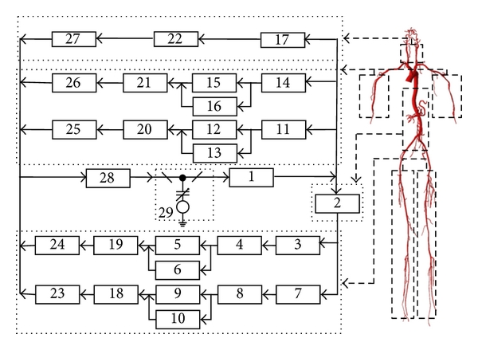

 | https://www.hindawi.com/journals/tswj/2013/185691/
 | https://lcp.mit.edu/pdf/SamarThesis05.pdf

